CARB
Color Key
Values taken from CARB sources
Calculation

 | Age 0 Daily Mileage | Efficiency (kWh/mi) | Normal Range Battery Size (kWh) | Long Range Battery Size (kWh)
Class 2b-3 | 65 | 0.6 | 55 | 80
Class 4-5 Vocational | 100 | 1 | 135 | 200 | Model Year | Class 2b-3 | Class 4-5 | Class 6-7 | Class 8 | Class 7-8 Tractor
Class 6-7 Vocational | 100 | 1.5 | 200 | 300 | 2024 | 53761 | 6436 | 7556 | 1119 | 4686
Class 8 Vocational | 90 | 2 | 240 | 360 | 2025 | 54217 | 6531 | 7667 | 1137 | 4769
Class 7-8 Tractors | 140 | 2.1 | 400 | n/a | 2026 | 54753 | 6649 | 7806 | 1177 | 4918
 |  |  |  |  | 2027 | 55152 | 6786 | 7966 | 1194 | 4993
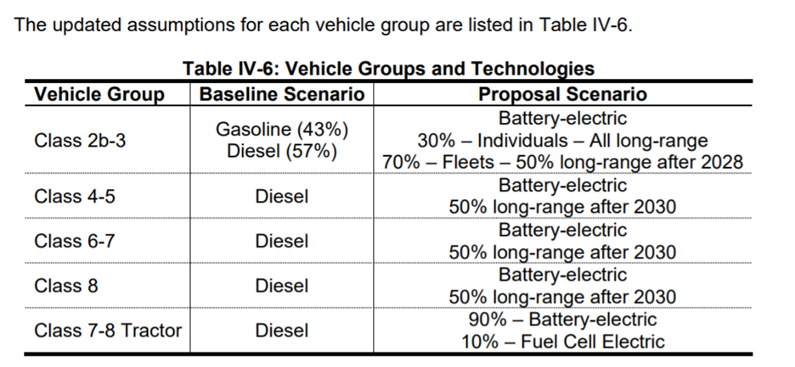
 |  |  |  |  | 2028 | 55765 | 6904 | 8105 | 1216 | 5075
 |  |  |  |  | 2029 | 56371 | 7024 | 8246 | 1239 | 5161
 |  |  |  |  | 2030 | 56968 | 7147 | 8390 | 1264 | 5263
 |  |  |  |  | Sales Share | LDV Freight |  |  |  | HDV Freight
 |  |  |  |  |  | Class 2b-3 | Class 4-5 | Class 6-7 | Class 8 | Class 7-8 Tractor
 |  |  |  |  | 2024 | 77% | 9% | 11% | 2% | 100%
 |  |  |  |  | 2025 | 77% | 9% | 11% | 2% | 100%
 |  |  |  |  | 2026 | 77% | 9% | 11% | 2% | 100%
 |  |  |  |  | 2027 | 77% | 9% | 11% | 2% | 100%
 |  |  |  |  | 2028 | 77% | 9% | 11% | 2% | 100%
 |  |  |  |  | 2029 | 77% | 10% | 11% | 2% | 100%
 |  |  |  |  | 2030 | 76% | 10% | 11% | 2% | 100%

 |  |  |  |  | 2024 Sales Share, All Classes | 73% | 9% | 10% | 2% | 6%

 | Before 2030 |  | After 2030
 | Normal Range | Long Range | Normal Range | Long Range
Class 2b-3 | 100% | 0% | 35% | 65%
Class 4-5 | 100% | 0% | 50% | 50%
Class 6-7 | 100% | 0% | 50% | 50%
Class 8 | 100% | 0% | 50% | 50%

Weighted Battery Capacities by Class (kWh)
 | Before 2030 | After 2030
Class 2b-3 | 55 | 71.25
Class 4-5 | 135 | 167.5
Class 6-7 | 200 | 250
Class 8 | 240 | 300

Weighted LDV Freight Battery Capacity (kWh) |  |  |  |  | Vehicle Group | 2024 MY | 2025 MY | 2026 MY | 2027 MY | 2028 MY | 2029 MY | 2030 MY
Before 2030 | After 2030 |  |  |  | Class 2b-3 - Electric Normal Range | $64,896.00 | $63,635.00 | $62,599.00 | $61,684.00 | $60,829.00 | $60,035.00 | $59,241.00
80.33 | 103.75 |  |  |  | Class 2b-3 - Electric Long Range | $69,241.00 | $67,568.00 | $66,201.00 | $65,011.00 | $63,909.00 | $62,895.00 | $61,881.00
 |  |  |  |  | Class 4-5 - Electric Normal Range | $80,127.00 | $77,616.00 | $75,585.00 | $73,852.00 | $72,267.00 | $70,830.00 | $69,394.00
HDV Freight Battery Capacity (kWh) |  | 400 |  |  | Class 4-5 - Electric Long Range | $91,424.00 | $87,841.00 | $84,952.00 | $82,503.00 | $80,275.00 | $78,266.00 | $76,258.00
 |  |  |  |  | Class 6-7 - Electric Normal Range | $116,174.00 | $112,591.00 | $109,702.00 | $107,253.00 | $105,025.00 | $103,016.00 | $101,008.00
Median Battery Cost in 2020 ($/kWh) |  |  |  |  | Class 6-7 - Electric Long Range | $133,554.00 | $128,321.00 | $124,112.00 | $120,563.00 | $117,345.00 | $114,456.00 | $111,568.00
$405.00 | (Source: CARB 2016) |  |  |  | Class 8 - Electric Normal Range | $154,799.00 | $150,486.00 | $147,007.00 | $144,057.00 | $141,371.00 | $138,949.00 | $136,527.00
 |  |  |  |  | Class 8 - Electric Long Range | $175,655.00 | $169,362.00 | $164,299.00 | $160,029.00 | $156,155.00 | $152,677.00 | $149,199.00
Start Year Battery Cost |  |  |  |  | Class 7-8 Tractor - Electric | $201,351.00 | $194,134.00 | $188,312.00 | $183,371.00 | $178,870.00 | $174,809.00 | $170,748.00
LDV Freight | HDV Freight | Sales Weighted Avg |  |  | Class 7-8 Tractor - Fuel Cell | $216,931.00 | $212,353.00 | $207,885.00 | $203,439.00 | $199,004.00 | $194,579.00 | $190,155.00
$32,535.33 | $162,000.00 | $40,782.85

Sales Weighted Start Year Vehicle Price
$81,556.50

